Sheet1
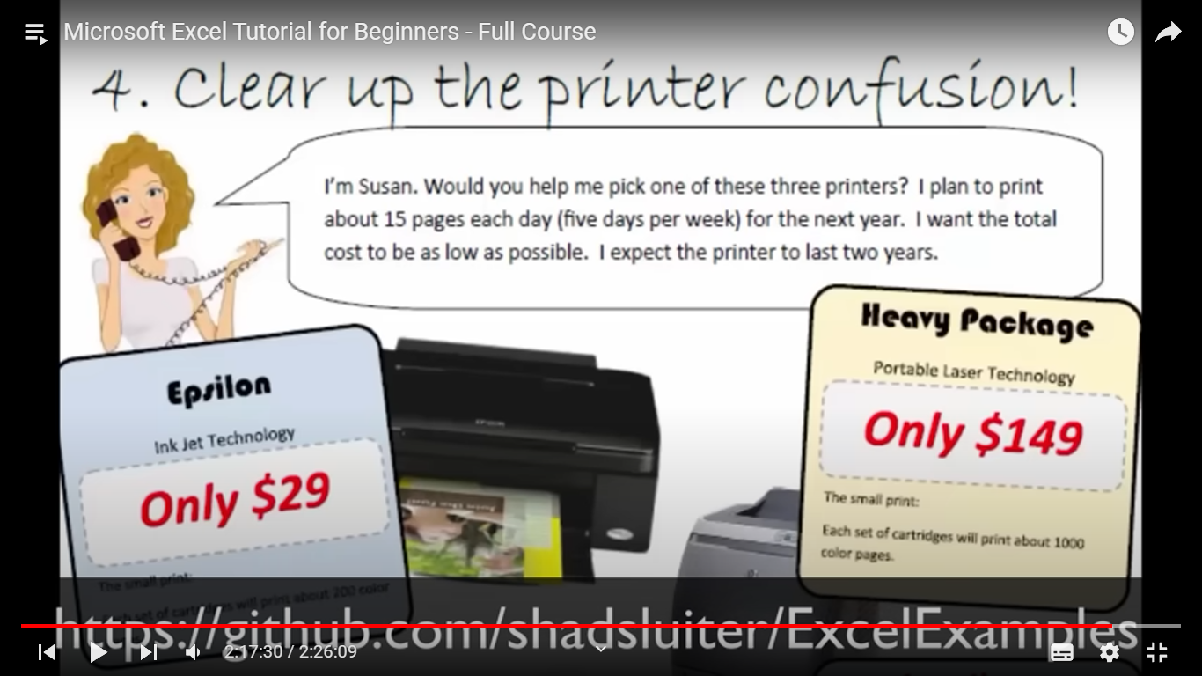
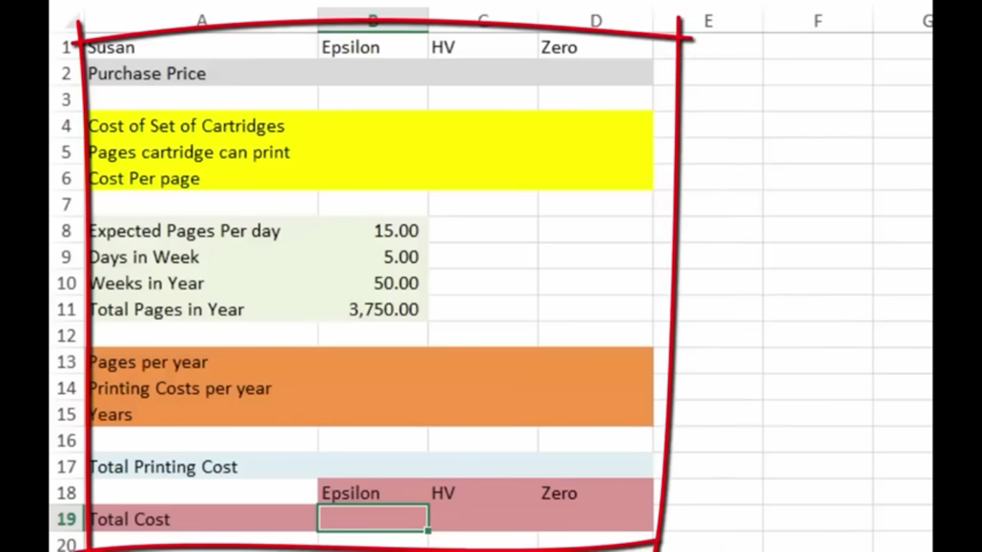
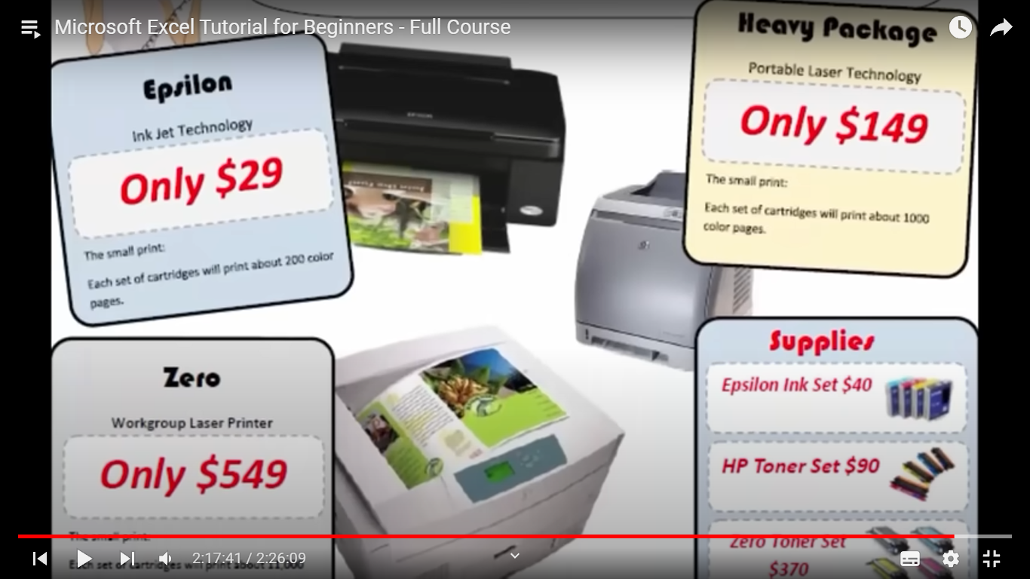

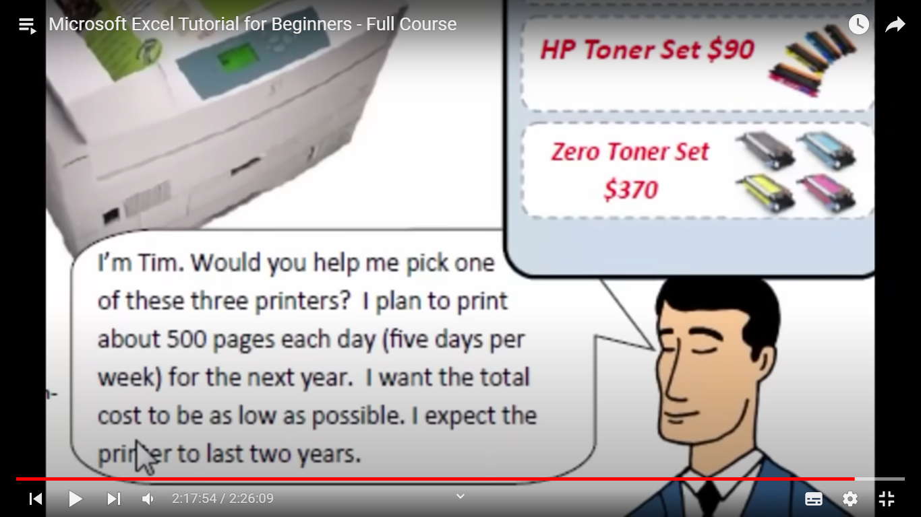
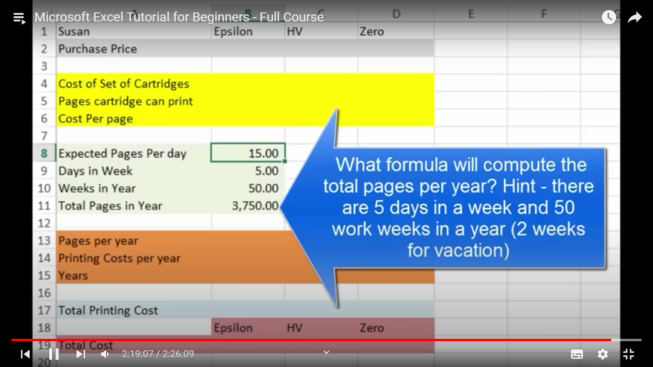

Susan | Epsilon | HV | Zero | Tim | Epsilon | HV | Zero

Cost of printer | 29 | 149 | 549 | Cost of printer | 29 | 149 | 549
Cost of Catridge | 40 | 90 | 370 | Cost of Catridge | 40 | 90 | 370
printable pages | 200 | 4000 | 11000 | printable pages | 200 | 4000 | 11000
Required pages/week | 15 | 15 | 15 | Required pages/week | 50 | 50 | 50
Required pages/year | 780 | 780 | 780 | Required pages/year | 2600 | 2600 | 2600

Total Catridge Required | 4 | 1 | 1 | Total Catridge Required | 13 | 1 | 1
Total Cost Catridge | 160 | 4000 | 370 | Total Cost Catridge | 520 | 4000 | 370
Total printing Cost for a year | 809 | 929 | 1329 | Total printing Cost for a year | 2629 | 2749 | 3149

Susan Should buy Epsilon Printer. |  |  |  | Tim Should buy Epsilon Printer.

